DSP (Alcohol)
DATE | INV NO. | DESCRIPTIONS | QTY | PRICE | DISCOUNT | UNIT PRICE | SUBTOTAL | TOTAL | BILL | Rp2,647,500
3-Mar-2026 | SOMDG/DSP/26/03/0014 | MDG - F VODKA | 2 | IDR 246,000 | Rp- | Rp246,000 | Rp492,000 | Rp492,000 | 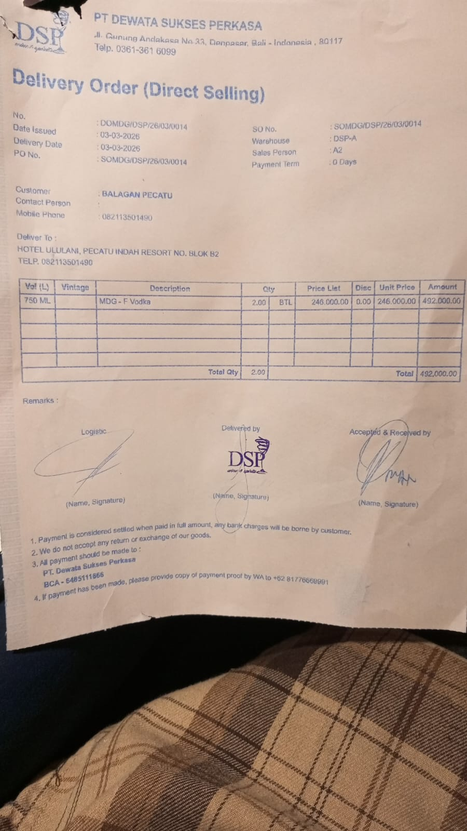
23-Mar-2026 | SODSP/DSP/26/03/1316 | DA VINCI LEONARDO PROSECCO DOC | 2 | IDR 370,000 | Rp37,000 | Rp333,000 | Rp666,000 | Rp666,000 | 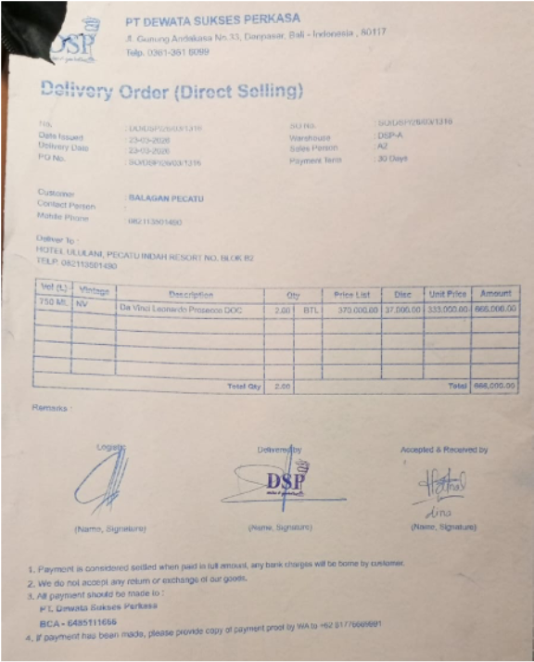
26-Mar-2026 | SO/DSP/26/03/1559 | MCGUIGAN - BLACK LABEL SAUVIGNON BLANC | 3 | IDR 295,000 | Rp29,500 | Rp265,500 | Rp796,500 | Rp1,489,500 | 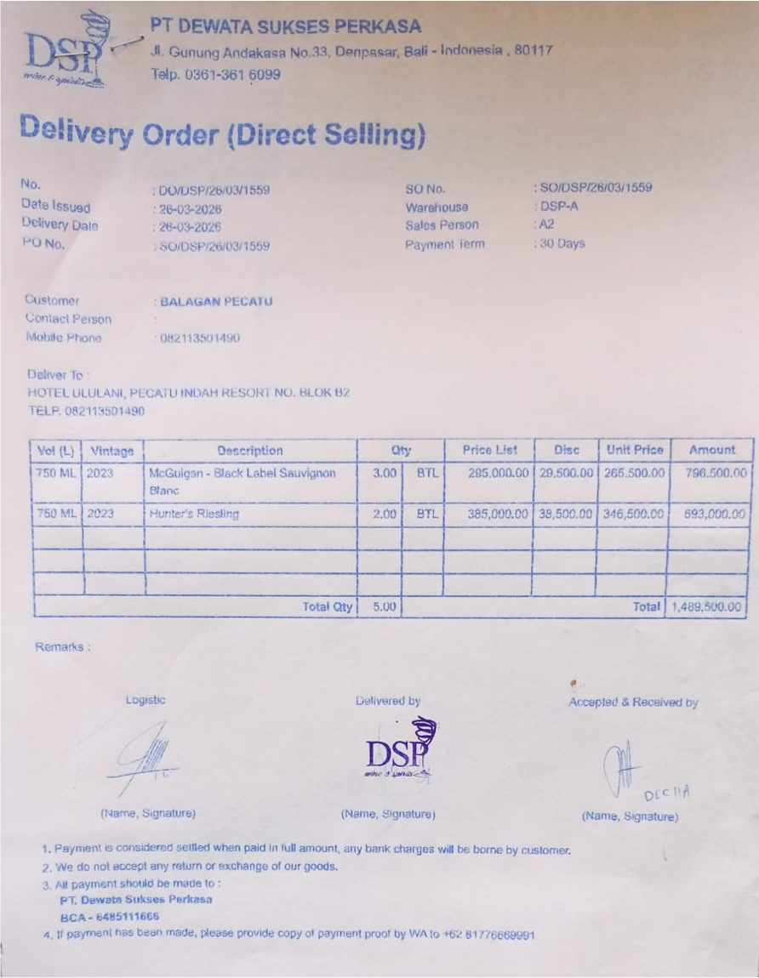
 |  | HUNTER'S RIESLING | 2 | IDR 385,000 | Rp38,500 | Rp346,500 | Rp693,000
 |  |  |  |  | Rp- |  | Rp-
 |  |  |  |  | Rp- |  | Rp-
 |  |  |  |  | Rp- |  | Rp-
 |  |  |  |  | Rp- |  | Rp-
 |  |  |  |  | Rp- |  | Rp-
 |  |  |  |  | Rp- |  | Rp-
 |  |  |  |  | Rp- |  | Rp-
 |  |  |  |  | Rp- |  | Rp-
 |  |  |  |  | Rp- |  | Rp-
 |  |  |  |  | Rp- |  | Rp-
TOTAL |  |  |  |  | Rp2,647,500

